BIB Mapping
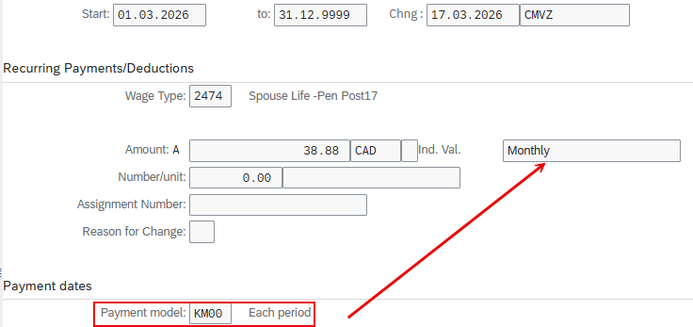
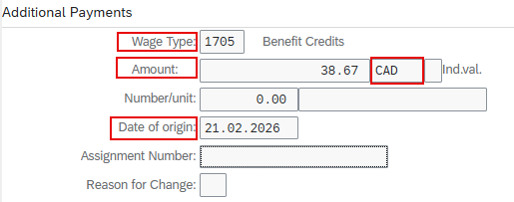
S/4HANA (IT0015 Target Field)
LGART
BETRG
WAERS | Default to CAD
ESTDT
ZUORD | Not mandatory but needed to performance pay wage types

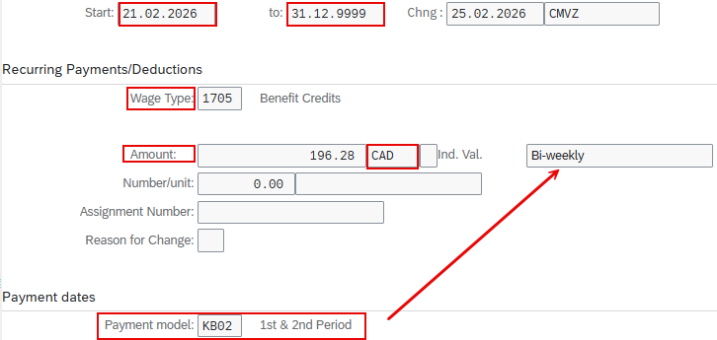
S/4HANA (IT0014 Target Field)
BEGDA
ENDDA
LGART
BETRG
WAERS | Default to CAD

